Cost Sheet(Budget Breakdown)
COST BREAKDOWN

Headquarter |  |  | Production Facility and Warehouse |  |  |  | Contestant Salary |  |  | Merchandise Costing
Headquarters | Cost |  | Production Facility and Warehouse (Boston) |  | Cost |  | Contestant | Salary |  | Merchandise | Cost
Office rent (1383sq ft) | £48,405.00 | /yr | Facility lease |  | £39,753.12 |  | Mentors | £400,000.00 |  | Tshirt | £9,000.00
Maintenance & security | £27,051.48 | /yr | Electricity, Water & Gas supply |  | £10,000.00 |  | Pro-Drivers | £400,000.00 |  | Hoodies | £13,500.00
Project Managers | £192,000.00 | /yr | Skilled labour (40 workers) |  | £374,400.00 |  | Total | £800,000.00 |  | Accessories | £2,500.00
R&D Employees(5 workers) | £360,000.00 | /yr | Maintenance & security |  | £36,816.81 |  | Per Quarter | £200,000.00 |  | TOTAL | £25,000.00
Operations Employees(10 workers) | £600,000.00 | /yr | Quality Control |  | £20,000.00
Total | £1,227,456.48 | /yr | Office supplies |  | £5,000.00
Cost per quarter | £306,864.12 |  | Total |  | £485,969.93 |  | Guest Salary
 |  |  | Cost per quarter |  | £121,492.48 |  | Guest Appearance | Cost
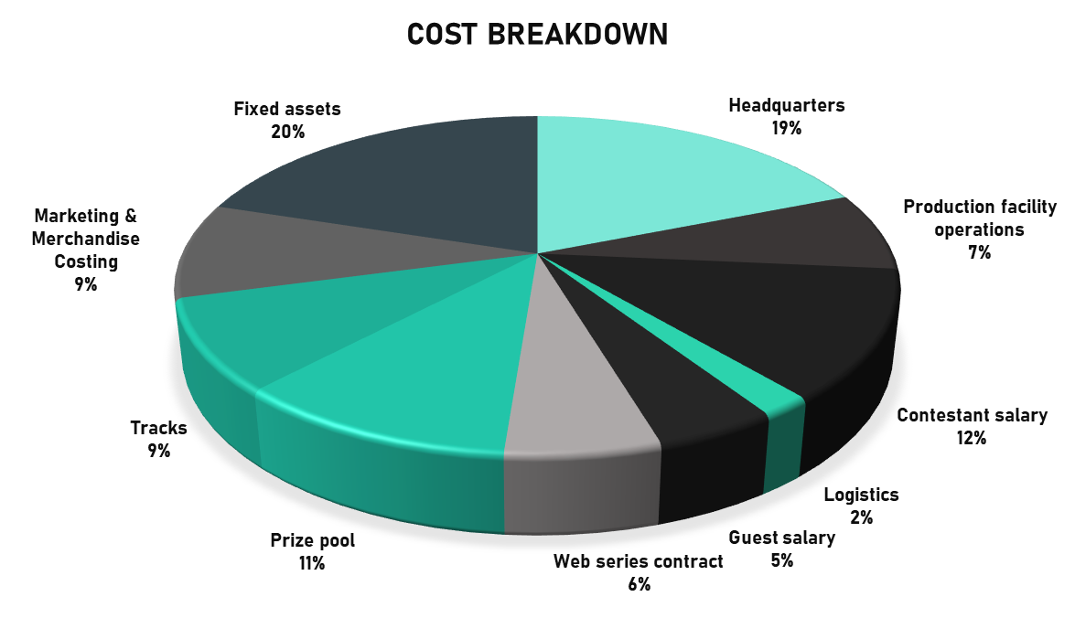
 |  |  | Area = 22587sq ft |  |  |  | Guest 1 | £100,000.00
Track Expenses |  |  | Production House(Box to Box) |  |  |  | Guest 2 | £100,000.00
Event Facility (Track) | Cost |  | Web Series Contract | £380,000.00 |  |  | Guest 3 | £100,000.00
Track Hire | £300,000.00 |  |  |  |  |  | TOTAL | £300,000.00
Fuel | £17,360.00 |  | Winning Amount |  |  |  | Per Quarter | £75,000.00
Crew and Drivers Stay | £157,500.00 |  | Prize Pool | £700,000.00
Track Setup | £100,000.00
Total | £574,860.00
Cost per quarter | £143,715.00 |  | Fixed Assets |  |  |  | Logistics Expenses
 |  |  | One Time Costs | Cost | Value Per Year |  | Logistics | Cost
Marketing Expenses |  |  | Furnishing | £50,000.00 | £10,000.00 |  | Inventory Management Cost | £30,000.00
Marketing | Cost |  | Bought parts (CF, raw material) | £48,180.00 | £16,060.00 |  | Production Facility And Warehouse | £20,000.00
Website | £20,000.00 |  | Logistic Services | £500,000.00 | £50,000.00 |  | Transportation Mode Shifting Cost | £50,000.00
Social Media And Content Marketing | £30,000.00 |  | R&D Equipments | £205,260.00 | £20,526.00 |  | Distribution Cost | £15,000.00
Printing | £55,000.00 |  | VD and Composites equipments | £280,000.00 | £93,333.33 |  | Unpacking Logistics | £10,000.00
Paid Advertising | £50,000.00 |  | Aero Package and Brakes | £52,000.00 | £17,333.33 |  | Total | $125,000.00
Public Relations | £45,000.00 |  | Electrical Harness and PCB | £112,740.00 | £37,580.00
SEO | £6,000.00 |  | Engine | £13,200.00 | £4,400.00
Audience Research And Survey | £15,000.00 |  | Computer and Software licensing | £38,620.00 | £7,724.00
TV Advertisement | £315,000.00 |  | Total | £1,300,000.00 | £256,956.67
Total | £536,000.00
Per Quarter | £134,000.00
Yearly Breakdown

Year 1
Quarter | HQ | Production | Contestants | Event | Merchandise | Web series | Logistics | Marketing | Guest Appearance | Prize Pool | Total
Quarter 1 | £306,864.12 | £121,492.48 | £200,000.00 | £143,715.00 | £6,250.00 | £95,000.00 | £31,250.00 | £134,000.00 | £75,000.00 | £175,000.00 | £1,288,571.60
Quarter 2 | £306,864.12 | £121,492.48 | £200,000.00 | £143,715.00 | £6,250.00 | £95,000.00 | £31,250.00 | £134,000.00 | £75,000.00 | £175,000.00 | £1,288,571.60
Quarter 3 | £306,864.12 | £121,492.48 | £200,000.00 | £143,715.00 | £6,250.00 | £95,000.00 | £31,250.00 | £134,000.00 | £75,000.00 | £175,000.00 | £1,288,571.60
Quarter 4 | £306,864.12 | £121,492.48 | £200,000.00 | £143,715.00 | £6,250.00 | £95,000.00 | £31,250.00 | £134,000.00 | £75,000.00 | £175,000.00 | £1,288,571.60
Total | £1,227,456.48 | £485,969.93 | £800,000.00 | £574,860.00 | £25,000.00 | £380,000.00 | £125,000.00 | £536,000.00 | £300,000.00 | £700,000.00 | £5,154,286.41

Year 2
Quarter | HQ | Production | Contestants | Event | Merchandise | Web series | Logistics | Marketing | Guest Appearance | Prize Pool | Total
Quarter 1 | £337,550.53 | £133,641.73 | £200,000.00 | £158,086.50 | £10,375.00 | £95,000.00 | £34,375.00 | £147,400.00 | £75,000.00 | £175,000.00 | £1,366,428.76
Quarter 2 | £337,550.53 | £133,641.73 | £200,000.00 | £158,086.50 | £10,375.00 | £95,000.00 | £34,375.00 | £147,400.00 | £75,000.00 | £175,000.00 | £1,366,428.76
Quarter 3 | £337,550.53 | £133,641.73 | £200,000.00 | £158,086.50 | £10,375.00 | £95,000.00 | £34,375.00 | £147,400.00 | £75,000.00 | £175,000.00 | £1,366,428.76
Quarter 4 | £337,550.53 | £133,641.73 | £200,000.00 | £158,086.50 | £10,375.00 | £95,000.00 | £34,375.00 | £147,400.00 | £75,000.00 | £175,000.00 | £1,366,428.76
Total | £1,350,202.13 | £534,566.92 | £800,000.00 | £632,346.00 | £41,500.00 | £380,000.00 | £137,500.00 | £589,600.00 | £300,000.00 | £700,000.00 | £5,465,715.05

Year 3
Quarter | HQ | Production | Contestants | Event | Merchandise | Web series | Logistics | Marketing | Guest Appearance | Prize Pool | Total
Quarter 1 | £371,305.59 | £147,005.90 | £200,000.00 | £173,895.15 | £13,750.00 | £95,000.00 | £37,812.50 | £162,140.00 | £75,000.00 | £175,000.00 | £1,450,909.14
Quarter 2 | £371,305.59 | £147,005.90 | £200,000.00 | £173,895.15 | £13,750.00 | £95,000.00 | £37,812.50 | £162,140.00 | £75,000.00 | £175,000.00 | £1,450,909.14
Quarter 3 | £371,305.59 | £147,005.90 | £200,000.00 | £173,895.15 | £13,750.00 | £95,000.00 | £37,812.50 | £162,140.00 | £75,000.00 | £175,000.00 | £1,450,909.14
Quarter 4 | £371,305.59 | £147,005.90 | £200,000.00 | £173,895.15 | £13,750.00 | £95,000.00 | £37,812.50 | £162,140.00 | £75,000.00 | £175,000.00 | £1,450,909.14
Total | £1,485,222.34 | £588,023.62 | £800,000.00 | £695,580.60 | £55,000.00 | £380,000.00 | £151,250.00 | £648,560.00 | £300,000.00 | £700,000.00 | £5,803,636.56

Year 4
Quarter | HQ | Production | Contestants | Event | Merchandise | Web series | Logistics | Marketing | Guest Appearance | Prize Pool | Total
Quarter 1 | £408,436.14 | £161,706.49 | £200,000.00 | £191,284.67 | £20,625.00 | £95,000.00 | £41,593.75 | £178,354.00 | £75,000.00 | £175,000.00 | £1,547,000.05
Quarter 2 | £408,436.14 | £161,706.49 | £200,000.00 | £191,284.67 | £20,625.00 | £95,000.00 | £41,593.75 | £178,354.00 | £75,000.00 | £175,000.00 | £1,547,000.05
Quarter 3 | £408,436.14 | £161,706.49 | £200,000.00 | £191,284.67 | £20,625.00 | £95,000.00 | £41,593.75 | £178,354.00 | £75,000.00 | £175,000.00 | £1,547,000.05
Quarter 4 | £408,436.14 | £161,706.49 | £200,000.00 | £191,284.67 | £20,625.00 | £95,000.00 | £41,593.75 | £178,354.00 | £75,000.00 | £175,000.00 | £1,547,000.05
Total | £1,633,744.58 | £646,825.98 | £800,000.00 | £765,138.66 | £82,500.00 | £380,000.00 | £166,375.00 | £713,416.00 | £300,000.00 | £700,000.00 | £6,188,000.21

Year 5
Quarter | HQ | Production | Contestants | Event | Merchandise | Web series | Logistics | Marketing | Guest Appearance | Prize Pool | Total
Quarter 1 | £449,279.76 | £177,877.14 | £200,000.00 | £210,413.13 | £24,375.00 | £95,000.00 | £45,753.13 | £196,189.40 | £75,000.00 | £175,000.00 | £1,648,887.56
Quarter 2 | £449,279.76 | £177,877.14 | £200,000.00 | £210,413.13 | £24,375.00 | £95,000.00 | £45,753.13 | £196,189.40 | £75,000.00 | £175,000.00 | £1,648,887.56
Quarter 3 | £449,279.76 | £177,877.14 | £200,000.00 | £210,413.13 | £24,375.00 | £95,000.00 | £45,753.13 | £196,189.40 | £75,000.00 | £175,000.00 | £1,648,887.56
Quarter 4 | £449,279.76 | £177,877.14 | £200,000.00 | £210,413.13 | £24,375.00 | £95,000.00 | £45,753.13 | £196,189.40 | £75,000.00 | £175,000.00 | £1,648,887.56
Total | £1,797,119.03 | £711,508.57 | £800,000.00 | £841,652.53 | £97,500.00 | £380,000.00 | £183,012.50 | £784,757.60 | £300,000.00 | £700,000.00 | £6,595,550.23

Income Sheet(Sources Of Revenue
INCOME SHEET

Revenue From Ticket Sales |  |  |  | Revenue From Merchandise |  |  |  | Revenue From Influencer Commision

Week | Audience | Ticket Sales |  | Category | Merchandise |  |  | Influencer Commision
WEEK 2 | 2500 | £175,000.00 |  | Tshirts | £20,000.00 |  |  | WEEK 1 | £48,000.00 | 40% commision on 30k pounds of earning from 1mil views
WEEK 3 | 2500 | £175,000.00 |  | Hoodies | £29,750.00 |  |  | WEEK 2 | £48,000.00
WEEK 5 | 2500 | £175,000.00 |  | Accessories | £15,000.00 |  |  | WEEK 3 | £48,000.00
WEEK 6 | 2500 | £175,000.00 |  | Total | £64,750.00 |  |  | WEEK 4 | £64,000.00 | 40% commision on 40k pounds of earning from 2mil views
WEEK 7 | 2500 | £175,000.00 |  |  |  |  |  | WEEK 5 | £64,000.00
WEEK 8 | 2500 | £175,000.00 |  | Revenue From Prime Video |  |  |  | WEEK 6 | £64,000.00
WEEK 9 | 2500 | £175,000.00 |  |  |  |  |  | WEEK 7 | £80,000.00 | 40% commision on 50k pounds of earning from 3mil views
WEEK 10 | 2500 | £175,000.00 |  | Hours Watched | 35000000 | Hours |  | WEEK 8 | £80,000.00
TOTAL | 20000 | £1,400,000.00 |  | Royalty | £0.05 |  |  | WEEK 9 | £80,000.00
Per Quarter | 5000 | £350,000.00 |  | Total Earnings | £1,750,000.00 | 0.05 pounds/hr for 35mil hours watched |  | WEEK 10 | £80,000.00
 |  |  |  | Per Quarter | £437,500.00 |  |  | TOTAL | £656,000.00
 |  |  |  |  |  |  |  | Per Quarter | £164,000.00
Yearly Breakdown

Year 1 |  |  |  |  |  |  | Year 2
Quarter | Ticket Sales | Prime Video | Influencer Commision | Merchandise | Total |  | Quarter | Ticket Sales | Prime Video | Influencer Commision | Merchandise | Total
Quarter 1 | £350,000.00 | £437,500.00 | £164,000.00 | £16,187.50 | £967,687.50 |  | Quarter 1 | £900,000.00 | £500,000.00 | £221,400.00 | £32,250.00 | £1,653,650.00
Quarter 2 | £350,000.00 | £437,500.00 | £164,000.00 | £16,187.50 | £967,687.50 |  | Quarter 2 | £900,000.00 | £500,000.00 | £221,400.00 | £32,250.00 | £1,653,650.00
Quarter 3 | £350,000.00 | £437,500.00 | £164,000.00 | £16,187.50 | £967,687.50 |  | Quarter 3 | £900,000.00 | £500,000.00 | £221,400.00 | £32,250.00 | £1,653,650.00
Quarter 4 | £350,000.00 | £437,500.00 | £164,000.00 | £16,187.50 | £967,687.50 |  | Quarter 4 | £900,000.00 | £500,000.00 | £221,400.00 | £32,250.00 | £1,653,650.00
Total | £1,400,000.00 | £1,750,000.00 | £656,000.00 | £64,750.00 | £3,870,750.00 |  | Total | £3,600,000.00 | £2,000,000.00 | £885,600.00 | £129,000.00 | £6,614,600.00

Year 3 |  |  |  |  |  |  | Year 4
Quarter | Ticket Sales | Prime Video | Influencer Commision | Merchandise | Total |  | Quarter | Ticket Sales | Prime Video | Influencer Commision | Merchandise | Total
Quarter 1 | £1,430,000.00 | £625,000.00 | £298,890.00 | £41,875.00 | £2,395,765.00 |  | Quarter 1 | £2,210,000.00 | £750,000.00 | £403,501.50 | £53,750.00 | £3,417,251.50
Quarter 2 | £1,430,000.00 | £625,000.00 | £298,890.00 | £41,875.00 | £2,395,765.00 |  | Quarter 2 | £2,210,000.00 | £750,000.00 | £403,501.50 | £53,750.00 | £3,417,251.50
Quarter 3 | £1,430,000.00 | £625,000.00 | £298,890.00 | £41,875.00 | £2,395,765.00 |  | Quarter 3 | £2,210,000.00 | £750,000.00 | £403,501.50 | £53,750.00 | £3,417,251.50
Quarter 4 | £1,430,000.00 | £625,000.00 | £298,890.00 | £41,875.00 | £2,395,765.00 |  | Quarter 4 | £2,210,000.00 | £750,000.00 | £403,501.50 | £53,750.00 | £3,417,251.50
Total | £5,720,000.00 | £2,500,000.00 | £1,195,560.00 | £167,500.00 | £9,583,060.00 |  | Total | £8,840,000.00 | £3,000,000.00 | £1,614,006.00 | £215,000.00 | £13,669,006.00

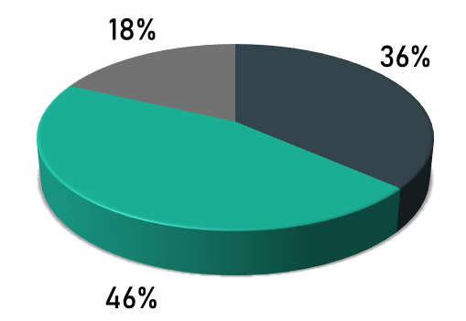
Web Series
Year 5 |  |  |  |  |  |  |  |  | Sources of Revenue
Quarter | Ticket Sales | Prime Video | Influencer Commision | Merchandise | Total
Quarter 1 | £3,000,000.00 | £812,500.00 | £544,727.03 | £59,875.00 | £4,417,102.03
Influencer Commission
Quarter 2 | £3,000,000.00 | £812,500.00 | £544,727.03 | £59,875.00 | £4,417,102.03
Ticket Sales
Quarter 3 | £3,000,000.00 | £812,500.00 | £544,727.03 | £59,875.00 | £4,417,102.03
Quarter 4 | £3,000,000.00 | £812,500.00 | £544,727.03 | £59,875.00 | £4,417,102.03
Total | £12,000,000.00 | £3,250,000.00 | £2,178,908.10 | £239,500.00 | £17,668,408.10

Break Even and ROI
BREAK EVEN ANALYSIS AND ROI(FOR INVESTORS)

BREAK-EVEN
 |  |  | Cumulative->
Quarterly Revenue | Quarterly Expenses | Quarter Ended | Total Revenue(Cumulative) | Expense(cumulative) | Expense+Tax(cumulative) | Net loss(cumulative) | Net Profit/Loss
£0.00 | £1,300,000.00 | 0 | £0.00 | £1,300,000.00 | £1,300,000.00 | £1,300,000.00 | -£1,300,000.00
£967,687.50 | £1,288,571.60 | 1 | £967,687.50 | £2,588,571.60 | £2,588,571.60 | £1,620,884.10 | -£1,620,884.10
£967,687.50 | £1,288,571.60 | 2 | £1,935,375.00 | £3,877,143.21 | £3,877,143.21 | £1,941,768.21 | -£1,941,768.21
£967,687.50 | £1,288,571.60 | 3 | £2,903,062.50 | £5,165,714.81 | £5,165,714.81 | £2,262,652.31 | -£2,262,652.31
£967,687.50 | £1,288,571.60 | 4 | £3,870,750.00 | £6,454,286.41 | £6,454,286.41 | £2,583,536.41 | -£2,583,536.41
£1,653,650.00 | £1,366,428.76 | 5 | £5,524,400.00 | £7,820,715.17 | £7,875,287.21 | £2,350,887.21 | -£2,350,887.21
£1,653,650.00 | £1,366,428.76 | 6 | £7,178,050.00 | £9,187,143.94 | £9,241,715.97 | £2,063,665.97 | -£2,063,665.97
£1,653,650.00 | £1,366,428.76 | 7 | £8,831,700.00 | £10,553,572.70 | £10,608,144.73 | £1,776,444.73 | -£1,776,444.73
£1,653,650.00 | £1,366,428.76 | 8 | £10,485,350.00 | £11,920,001.46 | £11,974,573.50 | £1,489,223.50 | -£1,489,223.50
£2,395,765.00 | £1,450,909.14 | 9 | £12,881,115.00 | £13,370,910.60 | £13,550,433.21 | £669,318.21 | -£669,318.21
£2,395,765.00 | £1,450,909.14 | 10 | £15,276,880.00 | £14,821,819.74 | £15,001,342.35 |  | £275,537.65
£2,395,765.00 | £1,450,909.14 | 11 | £17,672,645.00 | £16,272,728.88 | £16,452,251.49 |  | £1,220,393.51
£2,395,765.00 | £1,450,909.14 | 12 | £20,068,410.00 | £17,723,638.02 | £17,903,160.63 |  | £2,165,249.37
£3,417,251.50 | £1,547,000.05 | 13 | £23,485,661.50 | £19,270,638.07 | £19,625,985.84 |  | £3,859,675.66
£3,417,251.50 | £1,547,000.05 | 14 | £26,902,913.00 | £20,817,638.12 | £21,172,985.90 |  | £5,729,927.10
£3,417,251.50 | £1,547,000.05 | 15 | £30,320,164.50 | £22,364,638.18 | £22,719,985.95 |  | £7,600,178.55
£3,417,251.50 | £1,547,000.05 | 16 | £33,737,416.00 | £23,911,638.23 | £24,266,986.00 |  | £9,470,430.00
£4,417,102.03 | £1,648,887.56 | 17 | £38,154,518.03 | £25,560,525.79 | £26,086,486.54 |  | £12,068,031.49
£4,417,102.03 | £1,648,887.56 | 18 | £42,571,620.05 | £27,209,413.35 | £27,735,374.09 |  | £14,836,245.96
£4,417,102.03 | £1,648,887.56 | 19 | £46,988,722.08 | £28,858,300.90 | £29,384,261.65 |  | £17,604,460.42
£4,417,102.03 | £1,648,887.56 | 20 | £51,405,824.10 | £30,507,188.46 | £31,033,149.21 |  | £20,372,674.89

BREAK-EVEN GRAPH |  |  |  | RETURN ON INVESTMENT
Cumulative/Total Revenue and Cumulative/Expense+Tax
 |  |  |  | YEAR | ROI(%) P/Y | 30% EQUITY ROI(%) P/Y
 |  |  |  | 2021 | -88.02817581 | -26.40845274
 |  |  |  | 2022 | 41.28353764 | 12.38506129
Break-Even is at 10th Quarter
 |  |  |  | 2023 | 163.0398908 | 48.91196725
 |  |  |  | 2024 | 334.3702736 | 100.3110821
 |  |  |  | 2025 | 500.6217127 | 150.1865138

3.5M
Total Investment
£
Return on Investment

1.75M
Your Investment
£

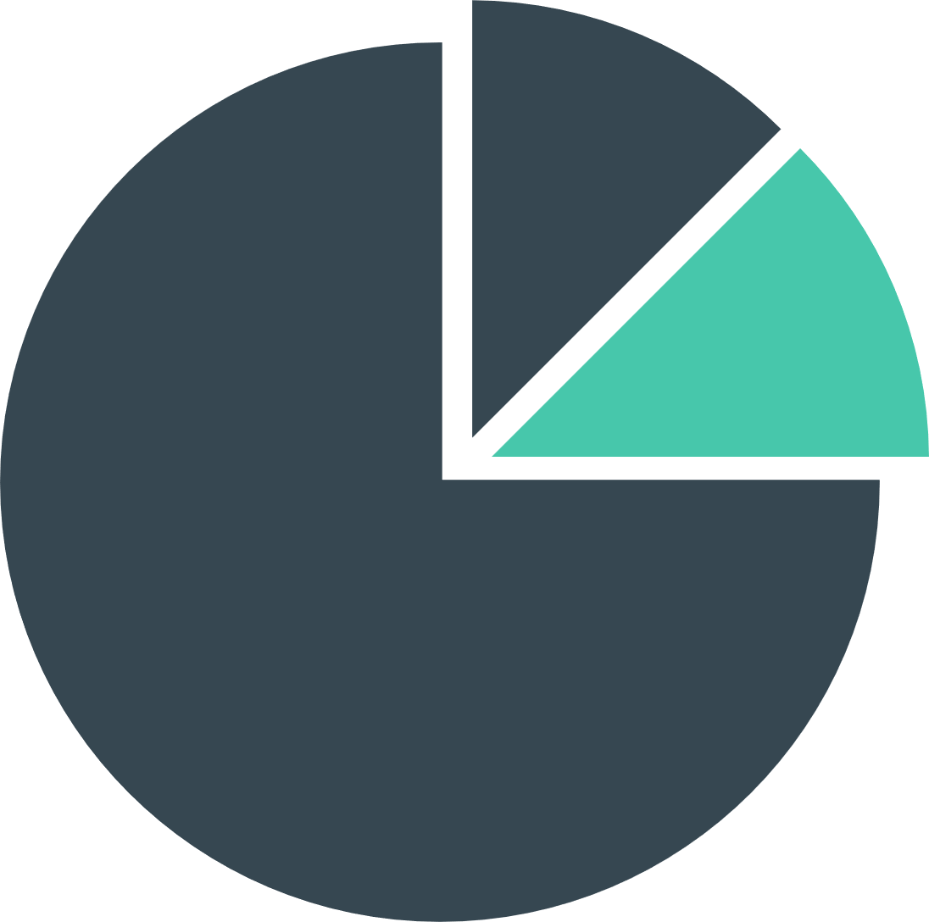
30%
Equity

